Customer
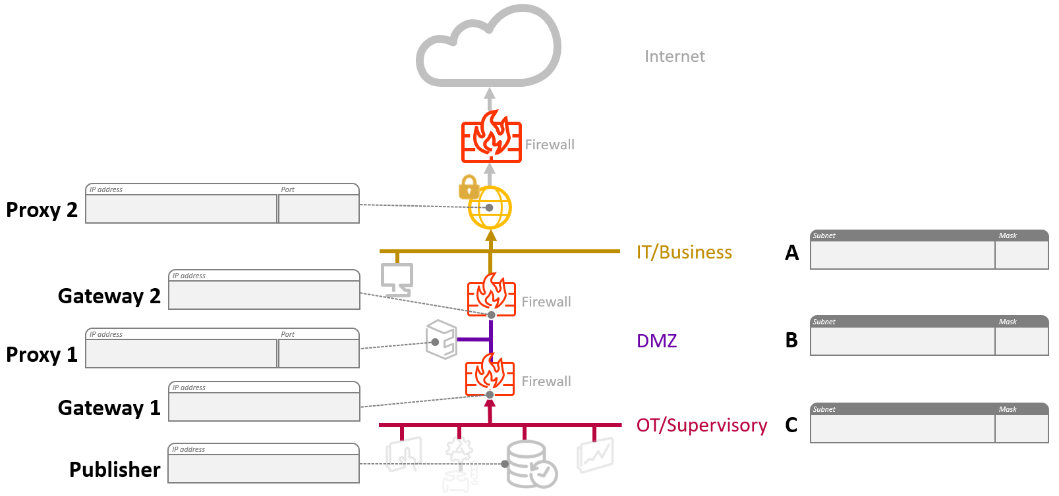
AVEVA Insight Publishing Topology

 | IP address | Port |  | Subnet | Mask
Proxy 2 |  |  | A: IT/Business
Gateway 2 |  |  | B: DMZ
Proxy 1 |  |  | C: OT/Supervisory
Gateway 1
Publisher

Example
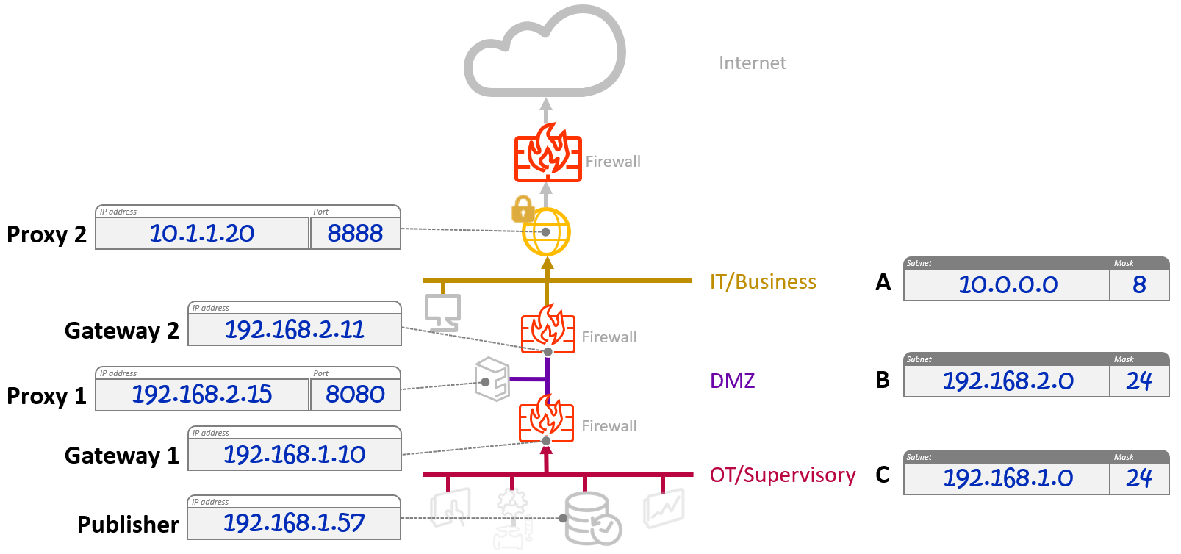
Topology Example

 | IP address | Port |  | Subnet | Mask
Proxy 2 | 10.1.1.20 | 8888 | A: IT/Business | 10.0.0.0 | 8
Gateway 2 | 192.168.2.11 |  | B: DMZ | 192.168.2.0 | 24
Proxy 1 | 192.168.2.15 | 8080 | C: OT/Supervisory | 192.168.1.0 | 24
Gateway 1 | 192.168.1.10
Publisher | 192.168.1.57

